Bug Report #01
Category | Label | Value
Bug ID | ID number | #01
 | Name | DEFAULT STORE VIEW - Unable to translate

 | Reporter | AngelinaS
 | Submit Date | 20/1/2020
Bug overview | Summary | When I choose Default store view, the page is not translated, neither on German, nor Italian
 | URL | http://demo-magento2.vuestorefront.io/?___store=de
 | Screenshot | Uploaded
Environment | Platform | Windows
 | Operating System | Windows 10 pro, 64-bit
 | Browser | Chrome Version 79.0.3945.130 (Official Build) (64-bit)
Bug details | Steps to reproduce | Open page http://demo-magento2.vuestorefront.io/ > Click German Store
 | Expected result | When German Store is chosen, the page should be translated to German
 | Actual result | The page is not translated, and the appearance is orderless
 | Description
Bug tracking | Severity | Major
 | Assigned to | StefanM
 | Priority | High
Notes | Notes | /

Bug Report #02
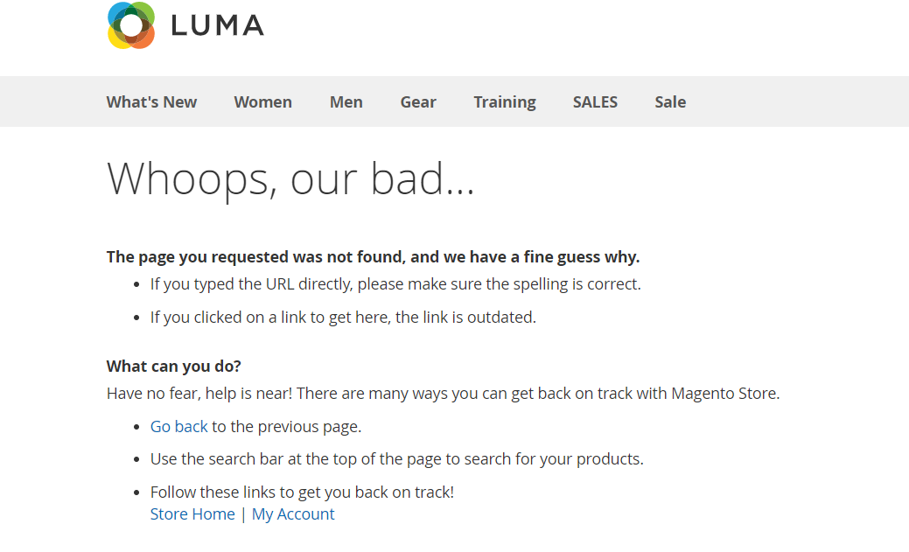
Category | Label | Value
Bug ID | ID number | #02
 | Name | CATEGORY from left side list, leads to page CRASH
 | Reporter | AngelinaS
 | Submit Date | 20/1/2020
Bug overview | Summary | When a category from left side list is chosen, the page crashes and message is shown ''Whoops, our bad''
 | URL | http://demo-magento2.vuestorefront.io/women/tops-women/tees-women.html
 | Screenshot | Uploaded
Environment | Platform | Windows
 | Operating System | Windows 10 pro, 64-bit
 | Browser | Chrome Version 79.0.3945.130 (Official Build) (64-bit)
Bug details | Steps to reproduce | Open page http://demo-magento2.vuestorefront.io/ > Click Woman > Click Jackets from the left side list
 | Expected result | When a product (Jackets) is chosen from left side menu, should be able to see the products
 | Actual result | The page crashes and message is shown ‘’Whoops, our bad’
 | Description
Bug tracking | Severity | Major
 | Assigned to | StefanM
 | Priority | High
Notes | Notes | /

